Cover
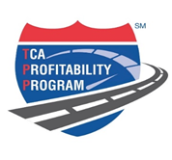

TC07-T7

Jun-2017

Composite

 |  |  | TCA Profitability Program
 |  | Contacts: |  | To Table of Contents

 | Moderators: | Jack Porter | jack@tcaingauge.com | 206 669-4422
 |  | Chris Henry | chris@tcaingauge.com | 519-709-2774

 | TCA Contacts: | Kristen Bouchard | kbouchard@truckload.org | (703) 838-1950
 |  | Sean Townsend | stownsend@truckload.org | (703) 838-1950

 |  | Copyright 2015. GPorter Group, LLC All Rights Reserved

